Sheet1
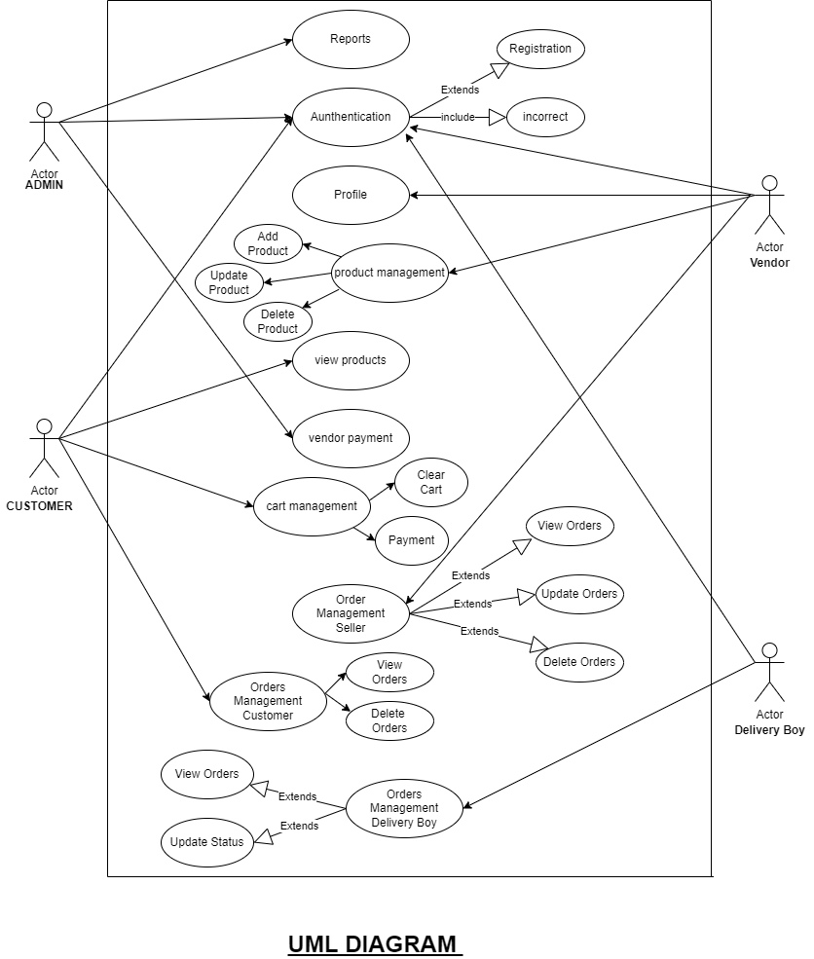
Usercase Diagram And DB Schema Design For Project Sportify India

customer_table

 | customer_Id | name | email | mobno | uname | password | address | pincode | city

 | seller_table

 | seller_Id | name | email | mobno | user_name | password | address | city | image | store_name | gst_no | adhar Card_no

 | product_table |  |  |  |  |  |  |  |  |  |  | product_image_table

 | product_Id | name | desc | quantity | price | discount | seller_id | category_id |  |  |  | id | product_id | image

 | category_table
 |  |  |  |  |  |  |  |  | sub_category_table
 | category_id | sports_name | image
 |  |  |  |  |  |  |  |  | id | category_id | name

 | order_table

 | order_id | order_date | order_desc | total | cutomer_id | product_id | quantity | status | payment by | shipping_adress | city | delivery_id

 | cart_table |  |  |  |  |  |  |  | cart_items_table

 | cart_id | customer_id |  |  |  |  |  |  | id | cart_id | product_id

 |  | delivery_table

 |  | delivery_Id | name | email | mobno | user_name | password | address | city | img | vehicle | licence | adhar_card_no

